BVT
S no | Feature | BVT | Steps | Output | Chrome | Edge | Internet Explorer | Desktop
1 | Basic Trading chart | Display basic Trading chart | 1. Drag 'Date' into 'Date' field 2. Drag 'Low' into 'Low values' field 3. Drag 'High' into 'High Values' field 4. Drag 'Open' into 'Open Values' field 5. Drag 'Close' into 'Close Values' field | Display basic Trading chart | 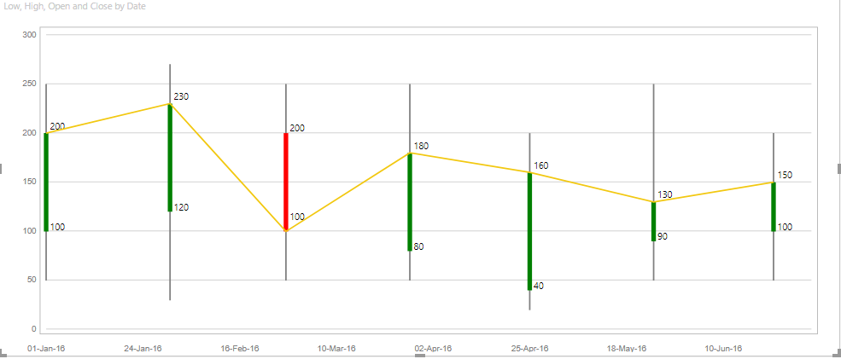 |  |  | 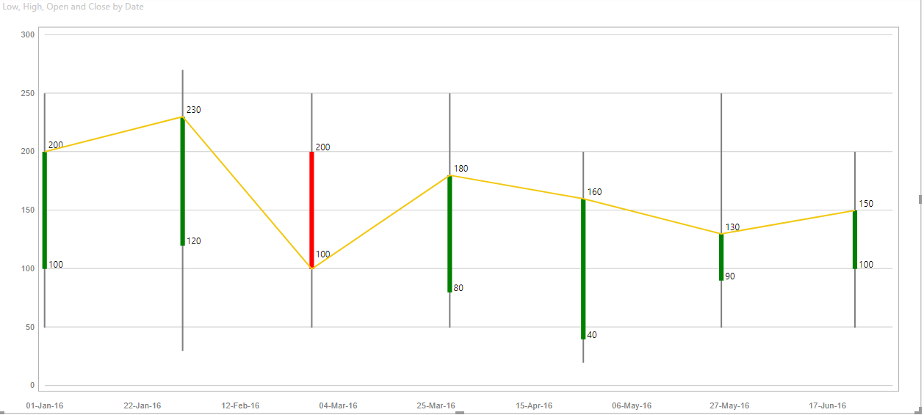
2 | Data Color | Update baseline indicator, increasing trend indicator and decreasing trend indicator | 1. Update 'Baseline indicator' to 'purple' 2. Update 'Increasing trend indicator' to 'yellow' 3. Update 'Decreasing trend indicator' to 'pink' | 1. Baseline indicator will be set to 'purple' 2. Increasing trend indicator will be set to 'yellow' 3. Decreasing trend indicator will be set to 'pink' |  |  | 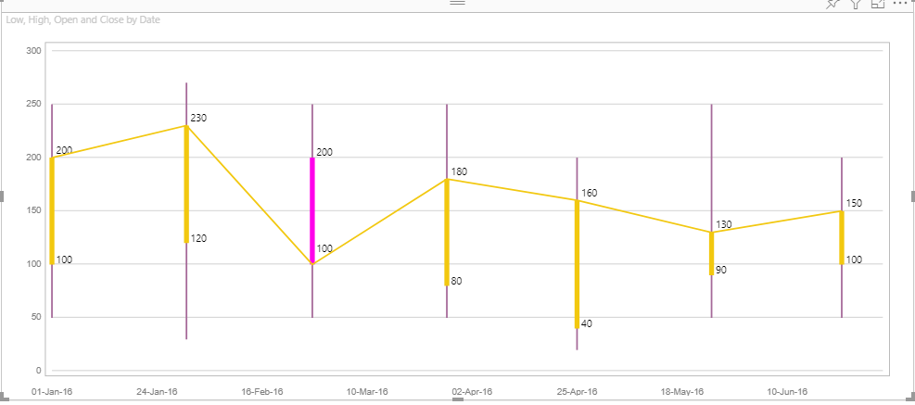 | 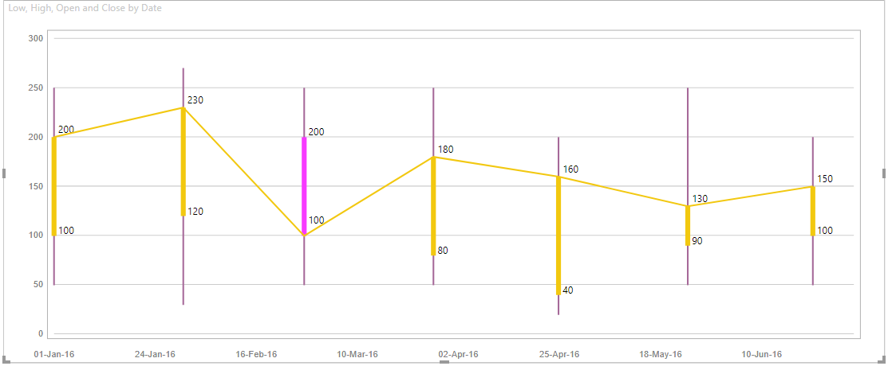
3 | Legend | Update legend's color | 1. Go to formatting pane 2. Go to 'Legend' option 3. Switch the toggle on 4. Update 'Color' to 'aqua' | Legend color will be set to 'aqua' |  |  |  | 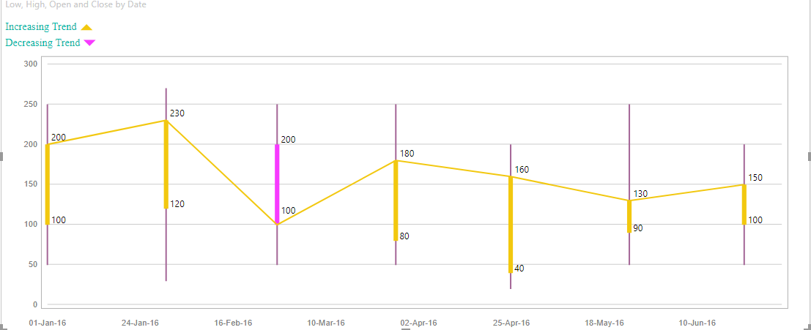
4 | Trend Lines | Update color and line width for trend lines | 1. Go to formatting pane 2. Go to 'Trend Lines' option 3. Switch the toggle on 4. Update 'Color' to 'brown' 5. Update 'Line width' to '4' | 1. Trend Line color will be set to 'brown' 2. Trend Line width will be set to '4' |  |  | 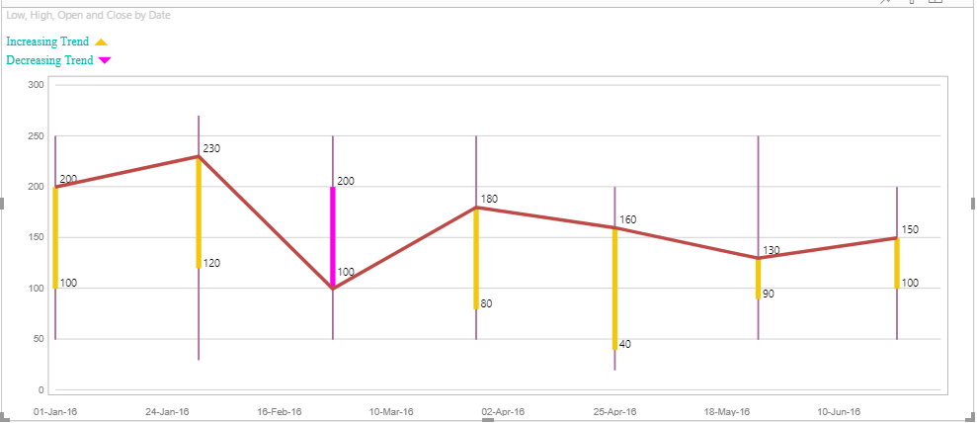 | 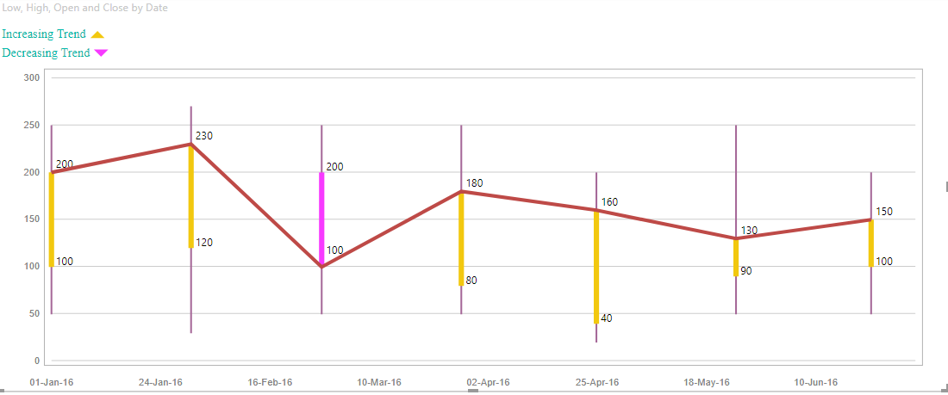
5 | Y-Axis | Update color, display unit and decimal value for Y-Axis | 1. Go to formatting pane 2. Go to 'Trend Lines' option 3. Switch the toggle on 4. Update 'Color' to 'light blue' 5. Update 'Display unit' to 'Thousand' 6. Update 'Decimal value' to '1' | 1. Y-Axis color will be set to 'light blue' 2. Y-Axis display unit will updated to '40K' 3. Y-Axis decimal value will be updated to '40.0K' | 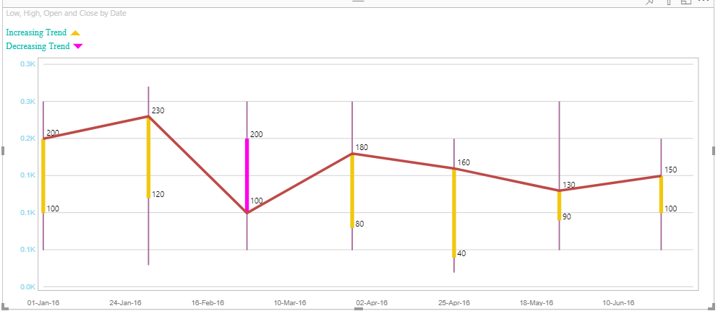 |  |  | 
6 | X-Axis | Update color for X-Axis | "1. Go to formatting pane 2. Go to 'X-Axis' option 3. Switch the toggle on 4. Update 'Color' to 'red' | X-Axis color will be set to 'red' |  |  | 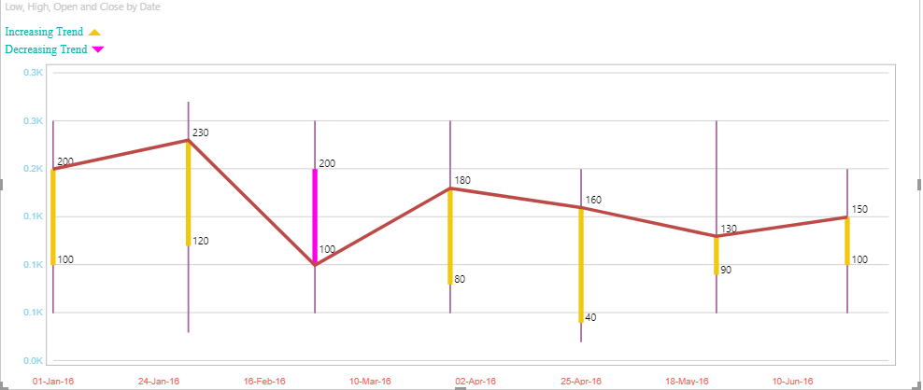 | 
7 | Stock Chart Border | Update color for stock chart border | 1. Go to formatting pane 2. Go to 'Stock Chart Border' option 3. Switch the toggle on 4. Update 'Color' to 'yellow' | Stock Chart Border will be set to 'yellow' | 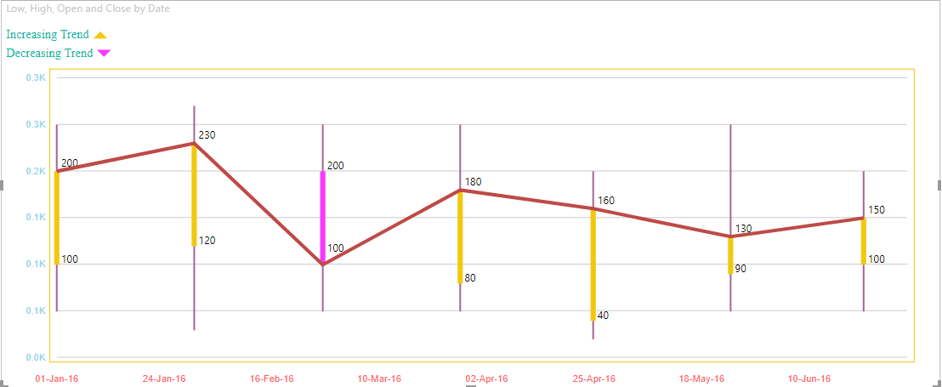 | 

